Dashboard 1,2
 | Graph Type : Interactive TreeMap

 |  | Title : Contractor On-boarding Overview |  |  | Title : Contractor Compliance Overview

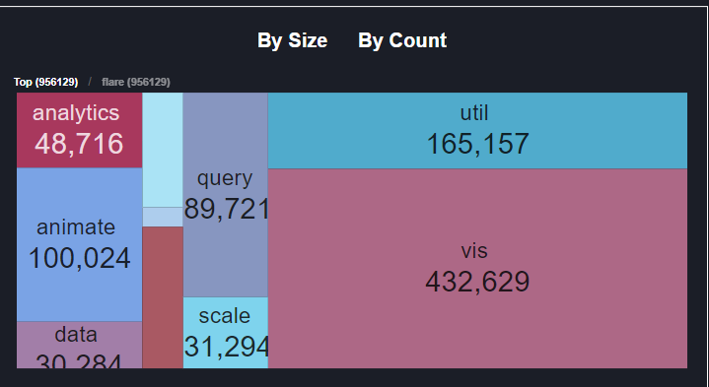

 |  |  |  |  | 2 Major Drill Downs : | Values
 | 2 Major Drill Downs : |  | Values |  | Contractor Compliance Reported | Percentage
 | Contractors Onboarded |  | Nos |  | Principle Employer - Compliance Reported | Percentage
 | Workforce Onboarded |  | Nos

 | 3 Sub drop downs in each |  | Values | 3 Sub drop downs in each |  | Values
Contractor | Entries Approved |  | Nos | Contractor | Reported within Timelines | Percentage
 | Pending to be Approved |  | Nos |  | Delayed Reporting | Percentage
 | On-boarding Rejected |  | Nos |  | Pending to be reported | Percentage

Work-force | Entries Approved |  | Nos | Principle Employer | Reported within Timelines | Percentage
 | Pending to be Approved |  | Nos |  | Delayed Reporting | Percentage
 | On-boarding Rejected |  | Nos |  | Pending to be reported | Percentage

Dashboard 3
 | Graph Type : Group Vertical Bar Chart

 |  | Title : Contractor Payout Synopsis

 |  | Month | Quarter |  |  | Filter : | Contractor

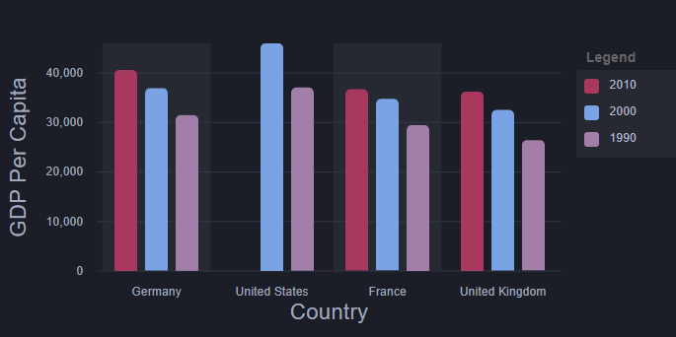

X Axis : | Month | April'20 | May'20 | June'20 | July'20
 | Quarter | Q1 | Q2 | Q3 | Q4
Y Axis: | Spend (INR) | (Flexi range starting with INR 10,000 upto 100,000)

Legends : Nature of Services
House-Keeping
Security
Repair and Maintenance

Drill Down : Wage register

Dashboard 4
Title : Location-wise Worforce Headcount

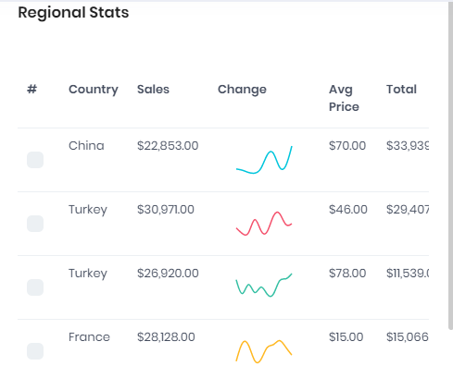
 | Location-wise Worforce Headcount

 |  | Location | Actual | Budgeted | Variation

 |  | Mumbai | 205 | 200 | 2.50 | %

 |  | Pune | 158 | 140 | 12.86 | %

 |  | Bangalore | 128 | 130 | -1.54 | %

 |  | Hyderabad | 313 | 300 | 4.33 | %

 |  | Chennai | 140 | 120 | 16.67 | %

 |  | Jaipur | 180 | 190 | -5.26 | %

 | Drill Down Page : Contingent Workforce Grid

Dashboard 5,6,7
 |  |  | Title : Workforce Attendance

 | Filter : | Date | Filter : | Location | Filter : | Contractor

 |  |  |  |  |  |  | Total Workforce | Present | Absent
 |  |  |  |  |  |  | 800 | 780 | 20
 |  |  |  |  |  |  |  | 98% | 3%

 | Filter : | Date | Filter : | Location | Filter : | Contractor
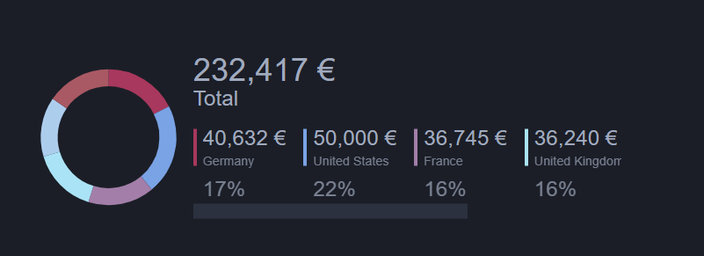

 |  |  |  |  |  |  | Workforce Present | Skilled | Semi-Skilled | Unskilled
 |  |  |  |  |  |  | 780 | 400 | 200 | 180
 |  |  |  |  |  |  |  | 51% | 26% | 23%

 | Filter : | Date | Filter : | Location | Filter : | Contractor

 |  |  |  |  |  |  | Workforce Present | Shift 1 | Shift 2 | Shift 3
 |  |  |  |  |  |  | 780 | 200 | 100 | 480
 |  |  |  |  |  |  |  | 26% | 13% | 62%

Drill Down Page : Contingent Workforce Grid

Dashboard 8
 |  | Title : Contractor Compliance Reporting

 | Filter : From Date and To Date |  | Filter : Contractor | Filter : Location
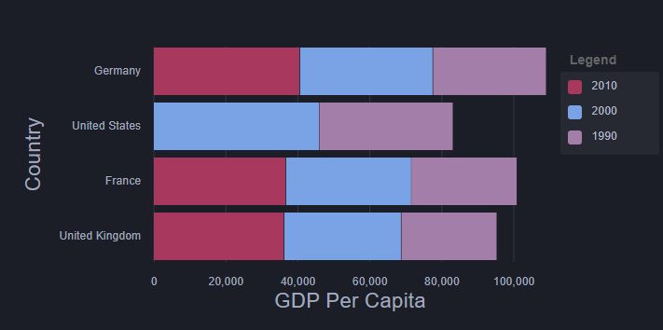

 |  |  |  |  | Legend

 |  |  |  |  | Compliances Reported with Timelines
 |  |  |  |  | Delayed Reporting
 |  |  |  |  | Pending to be reported

 | X Axis : Locations
 | Y Axis : Total Count of Compliances Assigned

Drill Down Page : Compliance Reporting Module

Dashboard 9,10
Title : | Key License Renewal

Total Compliances
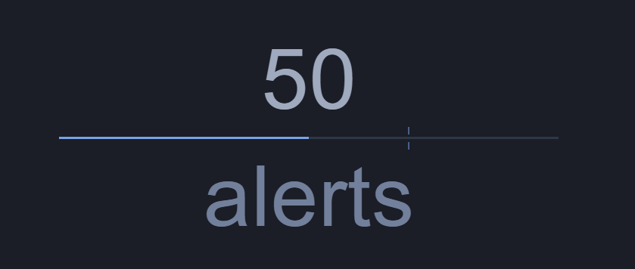

 |  |  |  |  | 50
 |  |  |  | Licenses Exipring in next 30 days

 |  | Filter : | Nature of Service
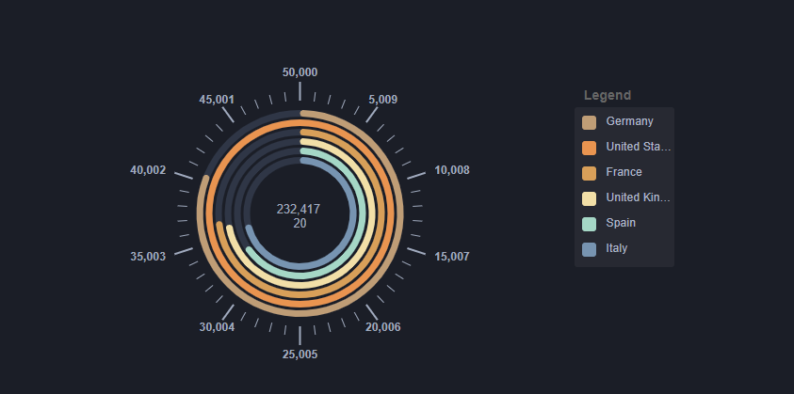

 |  |  |  |  | Contractor wise CLRA license Expiry

 |  |  |  | Legend
 |  |  |  | ABC Company Housekeeping Limited
 |  |  |  | XYZ Housekeeping Limited
 |  |  |  | PRQ Cleanliness Services

 |  |  |  | Number to start from 0 and end at 365

Dashboard 11
Title : | Statutory Contribution Summary
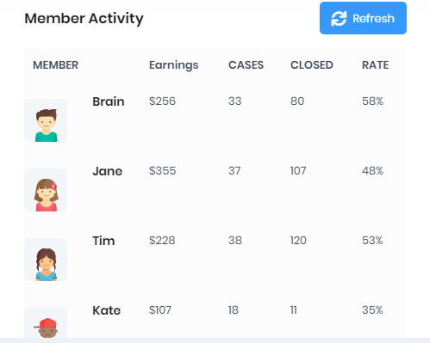

 |  | Filter Month and Year (Mandatory)
 |  | Fliter - Nature of Services (Optional)
 |  | Filter Location (Optional)
 |  | Contractors | Statutory Contribution payable (INR) | Acutal Contribution (INR) | Variation

 |  | ABC Company Housekeeping Limited | 100120 | 90900 | -9.21%

 |  | PRQ Cleanliness Services | 300020 | 280000 | -6.67%

 |  | XYZ Housekeeping Limited | 800020 | 780000 | -2.50%

 |  | Easy Houskeeping Services Limited | 31020 | 30000 | -3.29%

 |  | Viraat Security Private Limited | 300020 | 280000 | -7%

 |  | Ansh Guards Limited | 300020 | 280000 | -7%

Dashboard 12
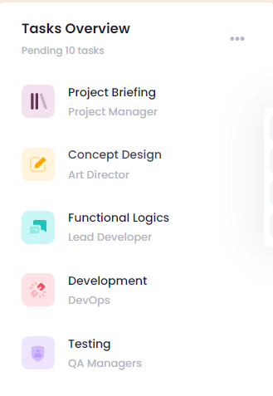

Title : Pending Review of Data uploaded on Platform

 | Number of records | Auto Approval Enabled

Contractor Registration | 15 | No

Worforce Registration | 70 | No

Contractor Compliances | 32 | No

Advances | 4 | No

Leave Management | 22 | Yes

Monthly Attendance | 1 | Yes

Dashboard 13
Compliance Reporting Calendar

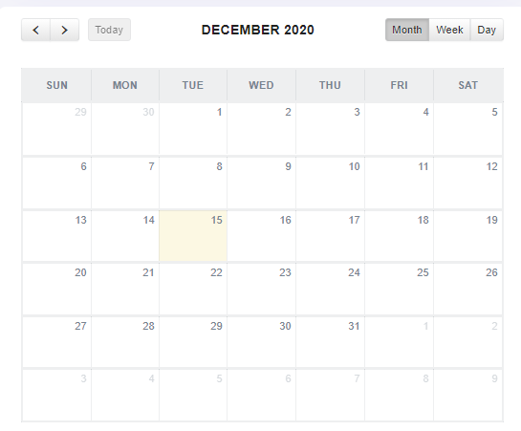

 | Date giving count of Compliances to be reported by a particular Contractor / User

